Table dropout predictors
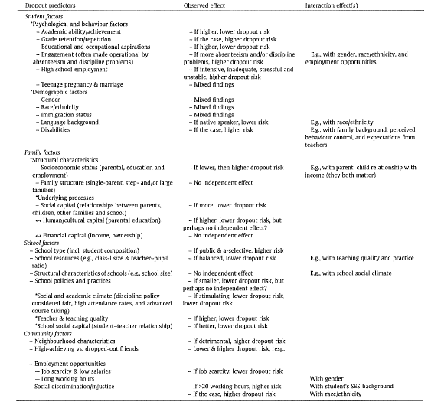

Colombia
Paper | Concept | Quote | Source
Revisión de políticas nacionales de educación: La educación en Colombia | Challenges in education policy in Colombia | "Inequities star at a young age; many disadvantaged children never go to school, do not start on time or attend lower quality institutions. The resulting differences in attaintment are stark. School life expectancy for students from the poorest backgrounds is just 6 years, compared with 12 years for the richest, and 9% enrol intertiary education, compared with 53% from the wealthiest families" "Inadequate learning support from the start leaves too many children without a strong foundation so that they struggle to make adequate progress, have to repeat years or drop out altogether." | OECD (2016), Education in Colombia, Reviews of National Policies for Education, OECD Publishing, Paris, https://doi.org/10.1787/9789264250604-en.
 | Promoting equity in educational opportunities | "A student´s socio-economic background and location still have too great an impact on education access and achievement in Colombia."
 | Colombia´s education system | "Education in Colombia is a civic right and a government priority. According to the Constitution of 1991 and the General Law of Education of 1994, all Colombians have the right to access education for their personal development and for the benefit of society." "Compulsory education currently lasts 10 years, from the age of 5 to 15, which is equivalent to the OECD average (from age 6 to 16)" "Colombia´s education system is organised in four key stages: Early childhood education and care (ECEC) includes services for children from bith until the age of six. Student theoretically enter the education system in the transirion year (grade 0 or age 5). Basic education lasts nine years (Grades 1-9 for 6-14 year-olds) and includes five years of primary education and four years of lower secondary education. Upper secondary education lasts two years (Grades 10-11 for 15 and 16 year-olds), one year less than the OECD average for three-years."
 | Lowe secondary education | "In 2014, approximately 7.5 million students were enrolled in basic education in Colombia, comprising primary education (Grades 1-5) and lower secondary education (Grades 6-9)." "Most schools in Colombia operate en estimated 5-6 hours school day, although the government is making efforts to implement full-day schooling (minimum 7 hours) in all schools as required under the General Law of Education of 1994.)" "Upon completion of lower secondary education students recive a certificate (Certificate of Basic Education Studies), which is a prerequisite for enrolment in upper secondary education."
 | Upper secondary education | "About 1.1 million youth are enrolled in upper secondary education in Colombia. More than three-quarters (76%) are enrolled in general academic programmes, and the remainder in programmes offering vocational education and training (VET) options (MEN, 2015b; OECDm 2014a)." "Upon succesful completion of upper secondary education, students obtain a certificate of completion and must pass a national exam (SABER 11) to enter tertiary education
 | Tertiary education | Types of institutions: Universities offer academic undergraduate programmes and graduate programmes Technological institutions provide technical programmes that offer high-level knowledge and skills in the same subject Professional technical institutions offer professional training programmes for a particular job or career
Nota informativa sobre deserción Los Andes | Medición de desercion | A corto plazo: tasa de deserción intraanual ajustada (se denomina ajustada, pues no presupone como desertores a los estudiantes que, a pesar de retirarse de un grado durante el año escolar, regresan a la escuela el año siguiente) y tasa de desercion intraanual("proporción de estudiantes que abandonan el sistema escolar antes de la finalización del año lectivo, como proporción de alumnos matriculados) (La tasa de deserción intraanual es la que usa el MEN y está detallada en el Sistema Nacional de Indicadores Educativos) A mediano plazo: tasa de deserción interanual ("corresponde a la proporción de estudiantes que culminan el año lectivo, pero no ingresan al grado siguiente) y tasa de abandono (intraanual + interanual) A largo plazo: tasa de deserción por cohortes y tasa de deserción por grupos de edad. | Bayona-Rodríguez, H., et al (2020). Factores asociados a la deserción escolar en Colombia. Ministerio de Educación Nacional
 | Factores protectores | The factors that decrease the probability of dropping out of school in Colombia are: Being a woman To have an exceptional capacity The school offers the next grade the student is culminating The school offers 7 hours school-day
 | Factores de riesgo | The factors that increase the probability of dropping out of school in Colombia are: Having a disability Be new in school Grade retention Temporary stopping school or not finishing the grade Study in rural area Dropouts are higher in lower secundary that primary
 | Definicion en Colombia | "En el Sistema Nacional de Indicadores Educativos, el MEN define deserción como "el alumno que abandona el sistema educativo antes de terminar un grado o nivel educativo.", y la tasa de deserción intraanual se calcula como el "porcentaje de estudiantes que abandonan el sistema educativo antes de finalizar el año lectivo (Ministerio de Educación Nacional, 2013, p.72)." "La deserción escolar se entiende como un fenómeno complejo que involucra múltiples dimensiones que se entrecruzan y que es difícil indetificarlas separadamente."
 | Medición en Colombia | "La forma de medir la deserción en los niveles de preescolar, básica y media en Colombia, deserción intraanual, ofrece información valiosa para conocer la proporción de estudiantes que no terminan un año lectivo, lo cual permite conocer la evolución a corto plazo de este fenómeno." "Sin embargo, esta medida es incompleta porque no ofrece información acerca de la evolución de esta situación a mediano y largo plazo. Por ejemplo, la tasa de deserción intranual no ofrece información sobre el porcentaje de estudiantes que terminan un grado, pero no se matriculan en el grado siguiente."
 | Deserción en Colombia | "La tasa de deserción intraanual pasó de 4,8% en 2010 a 3,07% en 2014. Tuvo un ligero aumento en 2015 y 2016, y en los dos últimos años ha seguido disminuyendo hasta llegar al 3,03% en 2018 siendo el año con el indicador más bajo en el periodo analizado, y que corresponde una reducciónde la deserción intraanual del 36,9% al compararse con la cifra del 2010." This means that around 300,000 students stop studying each year in Colombia
 | Deserción en Colombia | Due to the complexity of the process of dropping out and the way it changes in time it is essential to include additional indicators to measure this variable. This study analyzes 4 variables during 2015 to 2017. Intra-annual, interannual, complete dropout and intra-annual adjusted.
 | Dropout men vs women | Los hombres desertan más que las mujeres, la tendencia es a la baja Para 2015, la tasa de abandono de las mujeres fue de 8,4% y en 2017 de 6,1%, lo que significa una reducción de 2,3 puntos porcentuales. La tasa de hombres pasó de 9,3% en 2015 a 7,2%
 | Dropout urban vs rural | Los estudiantes en zonas rurales desertan en mayor proporción que los estudiantes en zonas urbanas, tendencia a la baja Para 2015, la tasa de abandono en zonas rurales fue de 10,4% y en 2017 de 7,5%, reducción de 2,86 pp. La tasa de abandono en zonas urbanas pasó de 8,4% en 2015 a 6,4%, reducción 2 pp.
 | Dropout per grades | Los grados más sensibles son transición, 5, 6 y 9, puede deberse a los cambios de los niveles educativos: transición-primaria, primaria-secundaria y secundaria-media La tasa de deserción interanual indica dos picos importantes para los grados 5 (4,5% en 2017) y 9 (5,4% en 2017). En el caso de los grados de educación inicial, se destaca una alta tasa de deserción interanual en los primeros años, algo que, puede asociarse a las percepciones de los padres sobre la edad apropiada en la que se debe iniciar la trayectoria académica
 | Reasons to dropout | Razones para no estudiar expuestas en la Encuesta Nacional de Calidad de Vida, se pregunta a personas menores de 35 años que no encuentran estudiando la razón principal por la que no lo están haciendo. DANE Personas entre los 5 y 24 años que no han terminado la medio y no estudian actualmente La razón principal es el desinterés por el estudio 24%, seguido por necesita trabajar 18%, encargarse de los oficios del hogar 13%, falta de dinero o costos educativos altos 12,5% Es más frecuente que los hombres reporten la falta de interés o la necesidad de trabajar, mientras que las mujeres reportan la necesidad de encargarse de los oficios del hogar.
 | Variable dependiente: deserción (4 indicadores Abandono, Interanual, Intraanual, Intraanual ajustada) Variables independientes: individuales(sexo, edad, etnia, reprobación, capacidades), institucionales (grado, nivel, jornada, sector, zona, disponibilidad del siguiente grado, si la metodología es educación tradicional) | Base de datos del Sistema Integrado de Matricula 2015-2018 anonimizada

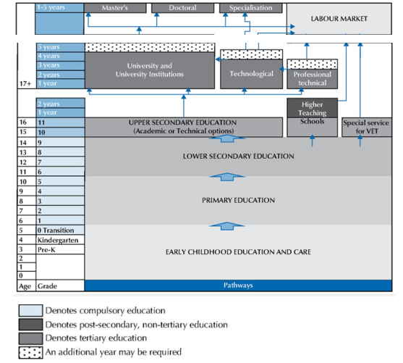
 |  |  | Journal of Education and Learning Education Research International Educational Research Resources Information Center -ERIC

